Figure 2c
SCN5A |  | hERG |  | hERG |  | SCN5A |  | hERG |  | GAPDH
# particles per cluster | # observations | # particles per cluster | # observations | # particles per cluster | # observations | Cluster size | % | Cluster size | % | Cluster size | %
1 | 721 | 1 | 753 | 1 | 1703 | 1 | 25.8 | 1 | 29 | 1 | 48.6
2 | 441 | 2 | 501 | 2 | 905 | 2 | 15.2 | 2 | 19.3 | 2 | 25.8
3 | 400 | 3 | 420 | 3 | 398 | 3 | 14.3 | 3 | 16.2 | 3 | 11.3
4 | 312 | 4 | 268 | 4 | 225 | 4 | 11.2 | 4 | 10.3 | 4 | 6.4
5 | 208 | 5 | 190 | 5 | 114 | 5 | 7.5 | 5 | 7.3 | 5 | 3.3
6 | 157 | 6 | 141 | 6 | 59 | 6 and more | 26 | 6 and more | 17.9 | 6 and more | 4.6
7 | 108 | 7 | 92 | 7 | 38
8 | 87 | 8 | 52 | 8 | 23
9 | 55 | 9 | 37 | 9 | 14
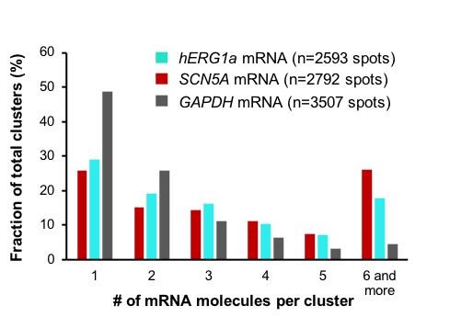
10 | 51 | 10 | 21 | 10 | 5
11 | 51 | 11 | 12 | 11 | 6
12 | 39 | 12 | 20 | 12 | 4
13 | 23 | 13 | 11 | 13 | 3
14 | 27 | 14 | 11 | 14 | 3
15 | 13 | 15 | 10 | 15 | 2
16 | 20 | 16 | 10 | 16 | 0
17 | 13 | 17 | 11 | 17 | 0
18 | 13 | 18 | 2 | 18 | 0
19 | 11 | 19 | 8 | 19 | 1
20 | 11 | 20 | 6 | 20 | 0
21 | 14 | 21 | 2 | 21 | 0
22 | 6 | 22 | 5 | 22 | 1
23 | 4 | 23 | 4 | 23 | 2
24 | 5 | 24 | 5 | 24 | 1
25 | 2 | 25 | 1 | 25 | 0

 | Total |  | Total |  | Total
 | 2792 |  | 2593 |  | 3507

